MAPS EPA III Ecoregions_East
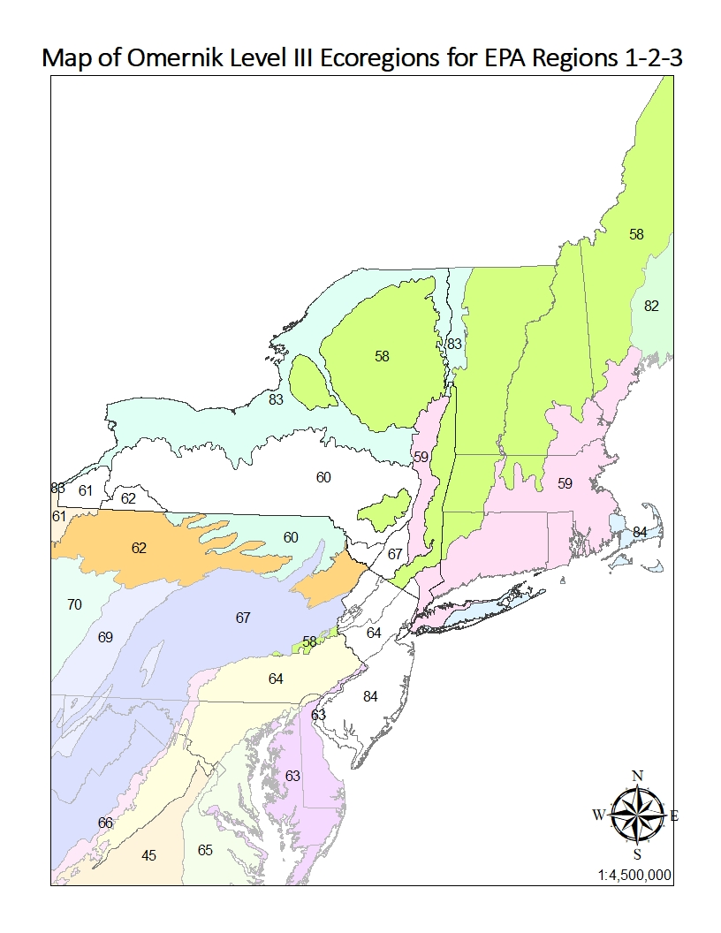
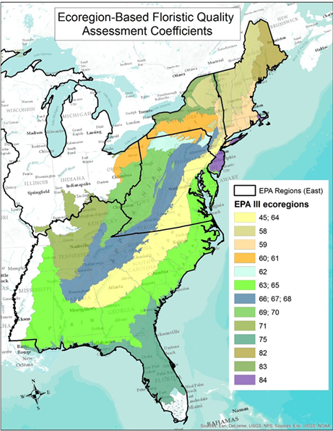
MAP of EPA Omernik Level III Ecoregions of the Eastern USA | TABLE of EPA ECOREGIONS used in assigning missing eFQA C-values for EPA Region 2
 | EPA III Ecoregional Codes (Original Omernik Map) | Working Group's Name for Ecoreg "Clusters" / EPA III Name for Single Ecoregions | Map colors | eFQA Map Cluster Codes used for EPA R1-2-3 CoC's | Original eFQA Working Groups | Overlapping Working Group
 | 60, 61 | Allegheny Plateau, Glaciated |  | 60, 61 | Mid-Atlantic
 | 62, 69, 70 | Allegheny Plateau, Unglaciated |  | 62 | Mid-Atlantic
 | 62, 69, 70 | Allegheny Plateau, Unglaciated |  | 69, 70 | Mid-Atlantic
 | 66, 67, 68 | Ridge & Valley |  | 66, 67, 68 | Mid-Atlantic | Southeast Wetlands Working Group
 | 45, 64 | Piedmont |  | 45, 64 | Mid-Atlantic | Southeast Wetlands Working Group
 | 63, 65 | Coastal Plain |  | 63, 65 | Mid-Atlantic | Southeast Wetlands Working Group
 | 58 | Northeastern Highlands |  | 58 | Northeast (NEIWPPC)
 | 59 | Northeastern Coastal Zone |  | 59 | Northeast (NEIWPPC)
 | 83 | Eastern Great Lakes Lowlands |  | 83 | Northeast (NEIWPPC)
 | 84 | Atlantic Coastal Pine Barrens |  | 84 | Northeast (NEIWPPC)
 | 82 |  |  |  | Northeast (NEIWPPC)

Map of EPA (Omernkik) Level III Ecoregions in EPA Regions 1-2-3 showing blank regions within NJ and NY where eFQA C values were missing

